Sheet1
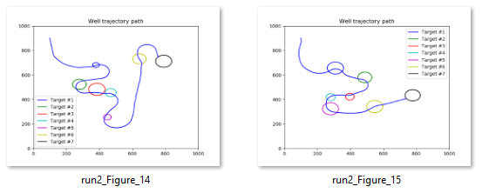
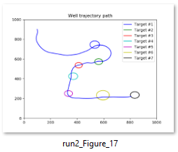
1) DQN seems promising

DQN

A2C

PPO2

2) To continue training on a previously saved model issn't necessarily successful(?)

 | The results got worse for each training session |  | *Most likely related to a former bug (now corrected) |  |  |  |  | Example of improved results

DQN 1
 |  |  |  |  |  |  | First run
DQN 2
 |  |  |  |  |  |  | Second run
DQN 3

3) [DQN: Multilayer perceptron] The MlpPolicy seem to perform better with Layer-normalization (LnMlpPolicy)

LnMlp

Mlp

 | Last result using DQN

 | Pre step-budget (early training) |  |  |  | Training with a step-budget for one million time-steps (3500 episodes)

 |  |  |  |  |  | * Not the most stable results
 |  |  |  |  |  | * Random target ball-placement causes
 |  |  |  |  |  | challenging paths

 | Going forward with TensorBoard we want to...

 |  | Do more testing with other algorithms

 |  | Get a better understanding of what all the available data represents

 |  | Se the result of adding more data to the agents observation space

 | Episode-rewards as a function of training-time

 |  |  |  |  |  |  |  |  |  | Continous improvements, but slow
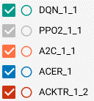
 |  |  |  |  |  |  |  |  |  | Poor result

 |  |  |  |  |  |  |  |  |  | ???

 |  |  |  |  |  |  |  |  |  | Seemingly continous improvents, more efficient than DQN

 |  |  |  |  |  |  |  |  |  | Very time-efficient, but non-stable results

 |  |  |  |  |  |  |  |  | *Added distance and angle to the current target in the ObsSpace -> improved results

 | Results after tweaking the rewards (The 10 original renderings)

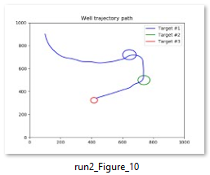
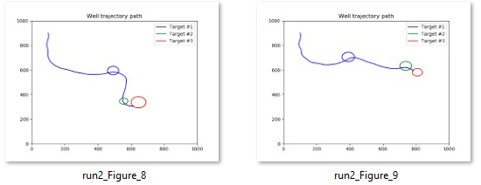

 | TARGET_WINDOW_SIZE = 2 |  |  | DQN
 | STEP_PENALTY = 0 |  |  | LnMlpPolicy
 | AngAcc-penalty = -2 |  |  | 2 million time steps
 | AngVel-penalty = -1
 | Out of bounds = -30
 | HIT-reward = 100
 | good-angle-reward = reward_factor*4
 | FINISHED_EARLY_FACTOR = 1

 | Some other impressive runs (Some runs was unsuccessful when increasing the number of target balls)

